Bug Report
Defect Report |  | Defect Report |  | Defect Report
 |  |  |  |  |  | Defect Report

Release | V.1.0 | Release | V.1.0 | Release | V.1.0
Title | The location of the loader in the login page is wrong | Title | User is not able to signup if he/she enters a first name with three charachters | Title | when user name contain two characters , the word "USER" not appeard | Release | V.1.0
Description | After logging and while waiting the response from the server, the loader will appear in a wrong location, down with alot of margin | Description | It happens in all the browsers and all the screen views, the first name that we used during the testing is HAT | Description | in to do page when the user name contain two charchters , the two charachter appeard instead of "USER" | Title | when user add 5 tasks , "No Available Todos" message appeared
Steps | 1- Go to login page 2- Fill the email 3- Fill the password 4- Click on login 5- Check the loader | Steps | 1- Enter a first name with "HAT". 2- Fill a correct last name. 3- Fill a correct email formate, and the email should not be registered in the database. 4- Fill a correct password. 5- Fill a correct confirm password. 6- Click on signup button | Steps | 1- to be signed in 2- to be in to do page 3-change username to "AH" in local storage 4-reload page | Description | in to do page when the user when user add 5 tasks , "No Available Todos" message appeared
Expected Results | The loader should appear correctly in the correct location | Expected Results | Should be able to signup correctly | Expected Results | "USER" word appeard | Steps | 1- to be signed in 2- to be in to do page 3- Add new 5 tasks
Actual Result | The loader will be displayed in a wrong location | Actual Result | This error message was displayed "First Name is required, and it should be more than 3 characters" | Actual Result | the two charachters appeared insted | Expected Results | "No Available Todos" message shouldn't be displayed
Environment | Chrome V.97 | Environment | Chrome V.97 | Environment | Chrome V.97 | Actual Result | "No Available Todos" message is displayed
Screenshot / Video |  | Screenshot / Video |  | Screenshot / Video | 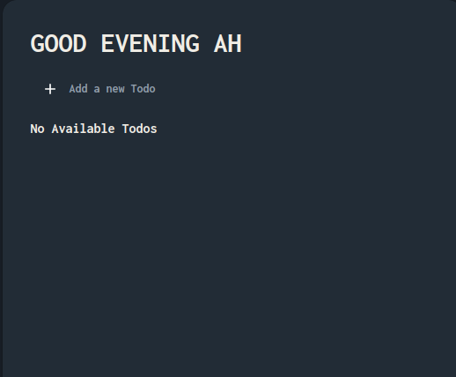 | Environment | Chrome V.97
Rate | 2022-05-05 | Rate | 2022-05-05 | Rate | 2022-05-05 | Screenshot / Video | 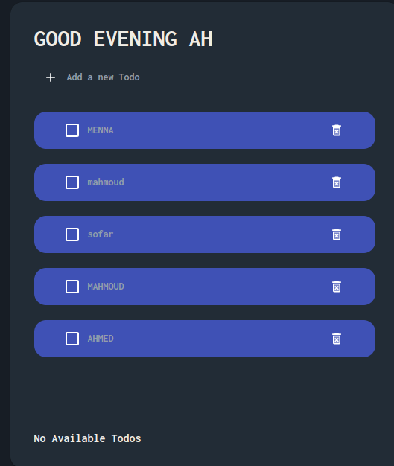
Priority | C | Priority | B | Priority | B | Rate | 2022-05-05
Status | Open | Status | Open | Status | Open | Priority | B
© Copy rights for QAcart 2022 |  | © Copy rights for QAcart 2022 |  | © Copy rights for QAcart 2022 |  | Status | Open
 |  |  |  |  |  | © Copy rights for QAcart 2022

